Energy_item
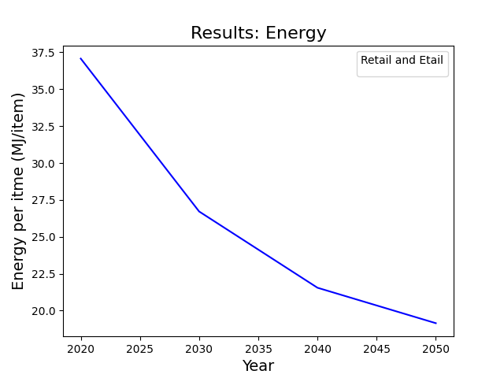
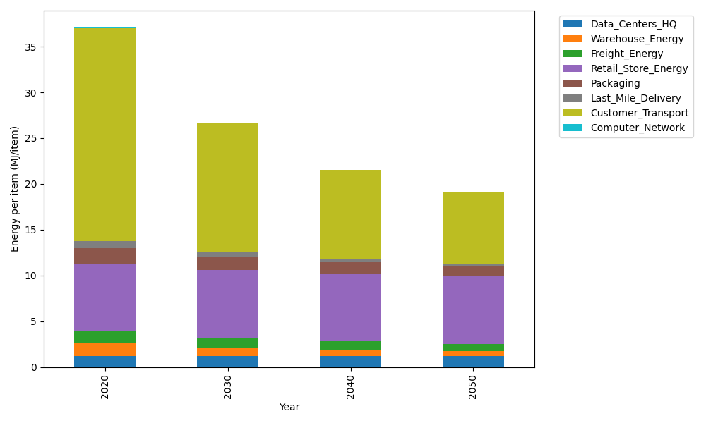
Years | Data_Centers_HQ | Warehouse_Energy | Freight_Energy | Retail_Store_Energy | Packaging | Last_Mile_Delivery | Customer_Transport | Computer_Network | Total
2020 | 1.2374141979 | 1.3410488455 | 1.3784807412 | 7.3100139929 | 1.6916682183 | 0.80716899797 | 23.267880535 | 0.042881298171 | 37.076556827
2030 | 1.2352718172 | 0.84935431858 | 1.0951552485 | 7.4274928124 | 1.4604564316 | 0.43984903172 | 14.171769691 | 0.038322286335 | 26.717671637
2040 | 1.2350053479 | 0.66269158569 | 0.89554135138 | 7.4421048224 | 1.2586847202 | 0.29944209259 | 9.7187722344 | 0.037755236657 | 21.549997391
2050 | 1.2351847631 | 0.517354491 | 0.74285094572 | 7.4322664771 | 1.1144532815 | 0.242641422 | 7.8249042242 | 0.038137034271 | 19.147792639

CO2_item
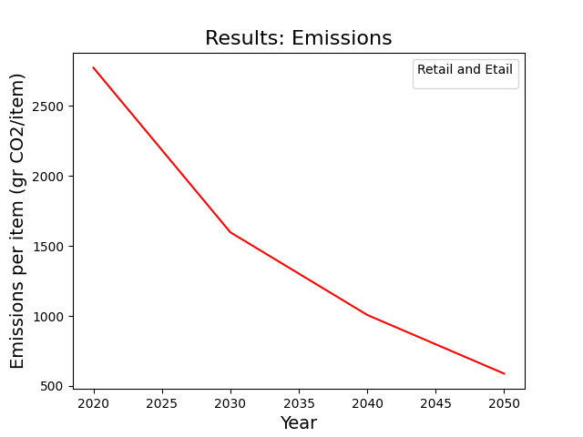
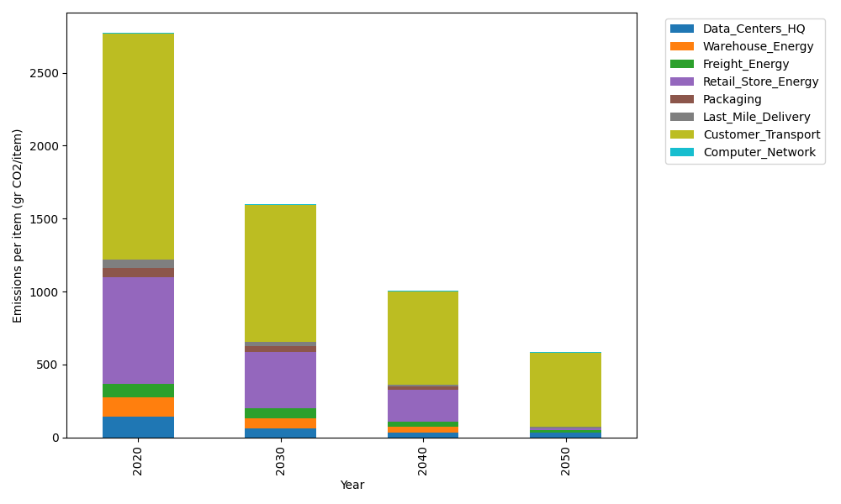
Years | Data_Centers_HQ | Warehouse_Energy | Freight_Energy | Retail_Store_Energy | Packaging | Last_Mile_Delivery | Customer_Transport | Computer_Network | Total
2020 | 140.14711191 | 133.87537195 | 93.866217976 | 728.99305529 | 65.522142061 | 55.406604815 | 1548.3440177 | 7.2330803936 | 2773.3876021
2030 | 64.567658151 | 68.888730324 | 64.403758067 | 385.16850385 | 41.723436199 | 27.777204299 | 938.59829609 | 6.4640808406 | 1597.5916678
2040 | 31.996237745 | 39.691368968 | 33.613364581 | 222.64975433 | 20.345670452 | 13.463290431 | 638.77056527 | 6.3684327123 | 1006.8986845
2050 | 31.999603119 | 2.6484311937 | 14.667304272 | 14.823694324 | 0 | 6.8288231336 | 510.18960189 | 6.4328331142 | 587.59029105

